work-tracking
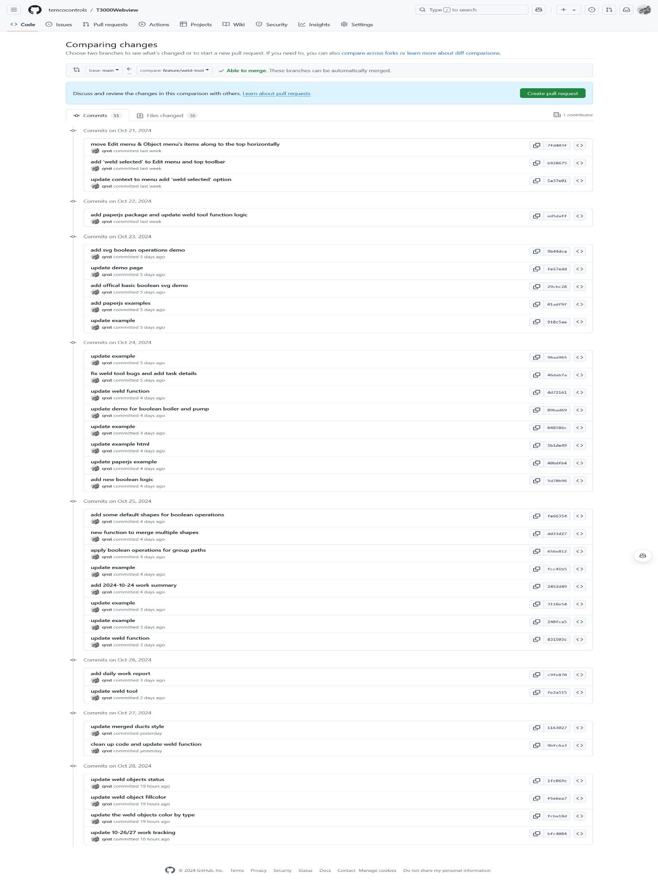
Day | Hours | Description
2024-10-21 | 8 | 1. add a top toolbar, move options and functions from 'Edit' & 'Object' menu 2. add 'Weld Selected' option to 'Edit' menu, top tool bar and context menu
2024-10-22 | 8 | 1. implement the 'Weld Selected' logic
2024-10-23 | 8 | 1. try to use clipper.js and paper.js to do Boolean operations on SVG files. 2. add some examples 3. fix bugs for 'Weld Selected' tool, trying to use third part libary to do the boolean operations for selected items.
2024-10-24 | 8 | 1. continue to implement the weld function, 2. rewrite the merge logic with paperjs, add a new demo to do boolean operations for some sample shapes
2024-10-25 | 8 | 1. implement the weld tool function, try to weld some complex shapes.
2024-10-26/27 | 4 | 1. fix bugs and make some improvements for resizing and repositioning

